Sheet1
CHWS | CHWR | CHWdT | CWS | CWR | CWdT | mCHW | mCW | Q cool | kW | Predicted (CHW+CW) | Predicted (CHW Only) | Error (CHW+CW) | Error (CWH Only) | CH Load
7 | 12 | 5 | 35 | 29.5 | 5.5 | 184.41666667 | 191.86111111 | 3868 | 558 | 560 | 515 | 0% | 8% | 100%
7 | 11.5 | 4.5 | 34.42 | 29.5 | 4.92 | 184.41666667 | 191.86111111 | 3481 | 478 | 491 | 465 | 3% | 3% | 90% |  |  |  |  |  |  |  |  |  | CH Load | Datasheet | Predicted (CHW+CW) | Predicted (CHW Only) | Row Labels | Average of Error (CHW+CW) | Average of Error (CWH Only)
7 | 11 | 4 | 33.86 | 29.5 | 4.36 | 184.41666667 | 191.86111111 | 3094 | 410.1 | 427 | 416 | 4% | 1% | 80% |  |  |  |  |  |  |  |  |  | 100% | 558 | 560.228075 | 515.16283333 | 10% | 0.22340968181 | 0.27366328558
7 | 10.5 | 3.5 | 33.3 | 29.5 | 3.8 | 184.41666667 | 191.86111111 | 2707 | 353.2 | 363 | 366 | 3% | 4% | 70% |  |  |  |  |  |  |  |  |  | 90% | 478 | 490.641497 | 465.44193333 | 20% | 0.070627342535 | 0.065628874506
7 | 10 | 3 | 32.76 | 29.5 | 3.26 | 184.41666667 | 191.86111111 | 2321 | 305.9 | 358 | 353 | 17% | 15% | 60% |  |  |  |  |  |  |  |  |  | 80% | 410.1 | 426.671201 | 415.72103333 | 30% | 0.050361339505 | 0.033826774137
7 | 9.5 | 2.5 | 32.22 | 29.5 | 2.72 | 184.41666667 | 191.86111111 | 1934 | 263.1 | 300 | 303 | 14% | 15% | 50% |  |  |  |  |  |  |  |  |  | 70% | 353.2 | 362.700905 | 366.00013333 | 40% | 0.10066315151 | 0.10938762168
7 | 9 | 2 | 31.7 | 29.5 | 2.2 | 184.41666667 | 191.86111111 | 1547 | 230.6 | 247 | 253 | 7% | 10% | 40% |  |  |  |  |  |  |  |  |  | 60% | 305.9 | 358.098091 | 352.68793333 | 50% | 0.14998713922 | 0.16097948698
7 | 8.5 | 1.5 | 31.18 | 29.5 | 1.68 | 184.41666667 | 191.86111111 | 1160 | 199 | 194 | 204 | 2% | 2% | 30% | const | CHWS | CHWR | CHWdT | m | Q cool |  |  |  | 50% | 263.1 | 299.744077 | 302.96703333 | 60% | 0.15949964395 | 0.15874556021
7 | 8 | 1 | 30.66 | 29.5 | 1.16 | 184.41666667 | 191.86111111 | 773.5 | 175.9 | 168 | 172 | 4% | 2% | 20% | -5 | 9360 | -9361 | -18720 | 1 | 36 | 515.16283333 | 558 | 8% | 40% | 230.6 | 247.006345 | 253.24613333 | 70% | 0.049937590526 | 0.039220503892
7 | 7.5 | 0.5 | 30.17 | 29.5 | 0.67 | 184.41666667 | 191.86111111 | 386.8 | 175.9 | 140 | 133 | 20% | 24% | 10% |  |  |  |  |  |  | 465.44193333 | 478 | 3% | 30% | 199 | 194.268613 | 203.52523333 | 80% | 0.041749731509 | 0.016431669709
9 | 14 | 5 | 35 | 29.5 | 5.5 | 184.61111111 | 191.47222222 | 3868 | 548.7 | 558 |  | 2% | 6% | 100% |  |  |  |  |  |  | 415.72103333 | 410.1 | 1% | 20% | 175.9 | 168.406481 | 172.00868333 | 90% | 0.02748738539 | 0.021802449179
9 | 13.5 | 4.5 | 34.42 | 29.5 | 4.92 | 184.61111111 | 191.47222222 | 3481 | 472.4 | 488 |  | 3% | 2% | 90% | -5 | 9360 | -9361 | -18720 | 1 | 36 | 366.00013333 | 353.2 | 4% | 10% | 175.9 | 140.218532 | 133.21039333 | 100% | 0.036465630294 | 0.070065905777
9 | 13 | 4 | 33.86 | 29.5 | 4.36 | 184.61111111 | 191.47222222 | 3094 | 406.7 | 424 |  | 4% | 2% | 80% | 0.0176 | -28.1178 | 27.4547 | 55.5726 | 0.4949 |  | 352.68793333 | 305.9 | 15% |  |  |  |  | Grand Total | 0.091018863625 | 0.094975213165
9 | 12.5 | 3.5 | 33.3 | 29.5 | 3.8 | 184.61111111 | 191.47222222 | 2707 | 350 | 360 |  | 3% | 4% | 70% | 90.95 | -28.0858 | 27 | 55.5565 |  |  | 302.96703333 | 263.1 | 15%
9 | 12 | 3 | 32.76 | 29.5 | 3.26 | 184.61111111 | 191.47222222 | 2321 | 301.8 | 356 |  | 18% | 16% | 60% |  |  |  |  |  |  | 253.24613333 | 230.6 | 10%
9 | 11.5 | 2.5 | 32.22 | 29.5 | 2.72 | 184.61111111 | 191.47222222 | 1934 | 257.8 | 297 |  | 15% | 17% | 50% |  |  |  |  |  |  | 203.52523333 | 199 | 2%
9 | 11 | 2 | 31.7 | 29.5 | 2.2 | 184.61111111 | 191.47222222 | 1547 | 224.9 | 245 |  | 9% | 12% | 40% |  |  |  |  |  |  | 172.00868333 | 175.9 | 2%
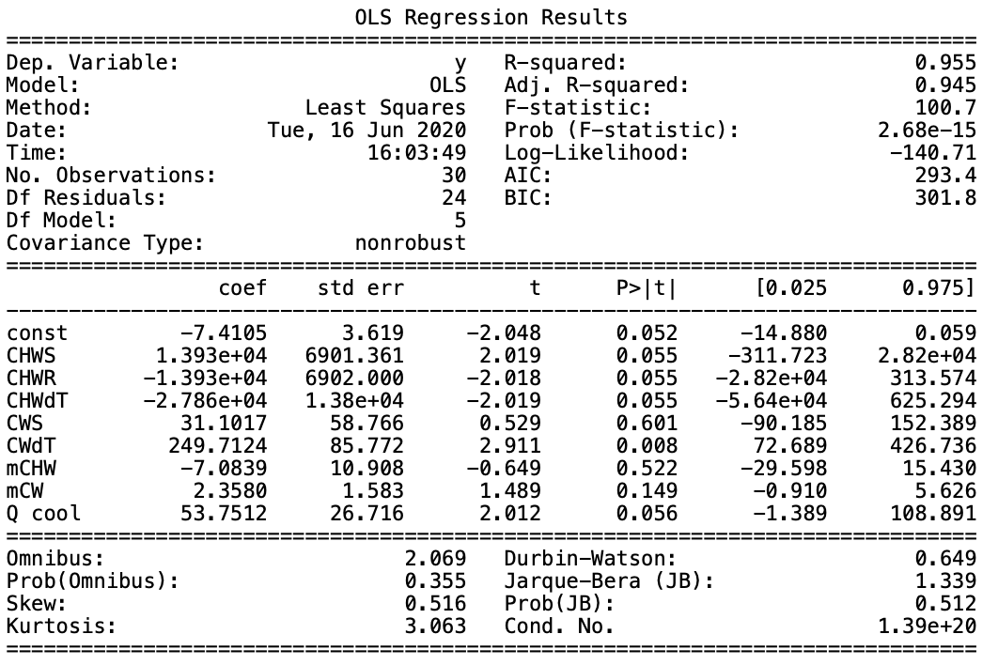
9 | 10.5 | 1.5 | 31.18 | 29.5 | 1.68 | 184.61111111 | 191.47222222 | 1160 | 193.6 | 192 |  | 1% | 4% | 30% |  |  |  |  |  |  | 133.21039333 | 175.9 | 24%
9 | 10 | 1 | 30.66 | 29.5 | 1.16 | 184.61111111 | 191.47222222 | 773.5 | 191.7 | 166 |  | 13% | 11% | 20% |  |  |  |  |  |  | 513.93288889 | 548.7 | 6%
9 | 9.5 | 0.5 | 30.17 | 29.5 | 0.67 | 184.61111111 | 191.47222222 | 386.8 | 189.8 | 138 |  | 27% | 30% | 10% |  |  |  |  |  |  | 464.21198889 | 472.4 | 2%
7 | 12 | 5 | 34.5 | 29.5 | 5 | 184.41666667 | 210.72222222 | 3868.7 | 550.7 | 502 |  | 9% |  | 100% |  |  |  |  |  |  | 414.49108889 | 406.7 | 2%
7 | 11.5 | 4.5 | 34 | 29.5 | 4.5 | 184.41666667 | 210.72222222 | 3481.83 | 472.3 | 462 |  | 2% |  | 90% |  |  |  |  |  |  | 364.77018889 | 350 | 4%
7 | 11 | 4 | 33.5 | 29.5 | 4 | 184.41666667 | 210.72222222 | 3094.96 | 404.9 | 422 |  | 4% |  | 80% |  |  |  |  |  |  | 351.45798889 | 301.8 | 16%
7 | 10.5 | 3.5 | 33 | 29.5 | 3.5 | 184.41666667 | 210.72222222 | 2708.09 | 349 | 382 |  | 9% |  | 70% |  |  |  |  |  |  | 301.73708889 | 257.8 | 17%
Chiller Input Power
7 | 10 | 3 | 32.5 | 29.5 | 3 | 184.41666667 | 210.72222222 | 2321.22 | 302.4 | 341 |  | 13% |  | 60% |  |  |  |  |  |  | 252.01618889 | 224.9 | 12%
7 | 9.5 | 2.5 | 32 | 29.5 | 2.5 | 184.41666667 | 210.72222222 | 1934.35 | 260.4 | 301 |  | 16% |  | 50% |  |  |  |  |  |  | 202.29528889 | 193.6 | 4%
7 | 9 | 2 | 31.5 | 29.5 | 2 | 184.41666667 | 210.72222222 | 1547.48 | 228.5 | 261 |  | 14% |  | 40% |  |  |  |  |  |  | 170.77873889 | 191.7 | 11%
7 | 8.5 | 1.5 | 31 | 29.5 | 1.5 | 184.41666667 | 210.72222222 | 1160.61 | 197.5 | 221 |  | 12% |  | 30% |  |  |  |  |  |  | 131.98044889 | 189.8 | 30%
7 | 8 | 1 | 30.5 | 29.5 | 1 | 184.41666667 | 210.72222222 | 773.74 | 174.6 | 181 |  | 4% |  | 20%
7 | 7.5 | 0.5 | 30 | 29.5 | 0.5 | 184.41666667 | 210.72222222 | 386.87 | 174.6 | 141 |  | 19% |  | 10%

 | CHWS | CHWR | CHWdT | CWS | CWdT | mCHW | mCW | Q cool
const | x1 | x2 | x3 | x4 | x5 | x6 | x7 | x8
-7 | 13930 | -13930 | -27860 | 31 | 250 | -7 | 2 | 54

 |  |  |  |  |  |  |  |  |  |  |  | const | -7.4105 | 3.619 | -2.048 | 0 | -14.88 | 0.059
 |  |  |  |  |  |  |  |  |  | CHWS |  | x1 | 1.39E+04 | 6901.361 | 2.019 | 0 | -311.723 | 2.82E+04
 |  |  |  |  |  |  |  |  |  | CHWR |  | x2 | -1.39E+04 | 6902 | -2.018 | 0 | -2.82E+04 | 313.574
 |  |  |  |  |  |  |  |  |  | CHWdT |  | x3 | -2.79E+04 | 1.38E+04 | -2.019 | 0 | -5.64E+04 | 625.294
 |  |  |  |  |  |  |  |  |  | CWS |  | x4 | 31.1017 | 58.766 | 0.529 | 1 | -90.185 | 152.389
 |  |  |  |  |  |  |  |  |  | CWdT |  | x5 | 249.7124 | 85.772 | 2.911 | 0 | 72.689 | 426.736
 |  |  |  |  |  |  |  |  |  | mCHW |  | x6 | -7.0839 | 10.908 | -0.649 | 1 | -29.598 | 15.43
 |  |  |  |  |  |  |  |  |  | mCW |  | x7 | 2.358 | 1.583 | 1.489 | 0 | -0.91 | 5.626
 |  |  |  |  |  |  |  |  |  | Q cool |  | x8 | 53.7512 | 26.716 | 2.012 | 0 | -1.389 | 108.891

